BTF
 |  |  |  |  |  |  |  |  |  | 出張報告書 |  |  |  |  |  |  |  | 報告先・Report To:
 |  |  |  |  |  |  |  |  |  |  |  |  |  |  |  |  |  | Datuk Anthony |  |  | CEO
 |  |  |  |  |  |  |  |  |  |  |  |  |  |  |  |  |  | Mr. Ogawa |  |  | MD
 |  |  |  |  |  |  |  |  |  |  |  |  |  |  |  |  |  | Mr. Sinna |  |  | Subs HOD
期間 Date |  |  |  | 2017-01-25 |  |  |  |  |  | 出張者 Name |  |  |  | ロスリー アフマド
 |  |  |  |  |  |  |  |  |  |  |  |  |  | Rosli Bin Ahmad
添付資料 Attachment |  |  |  |  | 有 Yes |  | 無 No |  |  | 同行者 Colleuge |  |  |  |  |  |  |  | 関連事業部・Related Dept
 |  |  |  |  |  |  |  |  |  |  |  |  |  | Mr. Yasuhiro Ogawa |  |  |  | 出張者・B/Trip Colleuge
 |  |  |  |  |  |  |  |  |  |  |  |  |  |  |  |  |  | 関係者・Related Person
 |  |  |  |  |  |  |  |  |  |  |  |  |  |  |  |  |  |  |  |  | MM-IN-RD-9100-P06-04 Rev.2
出張先 Customer |  |  |  | ASJ Componenbts (M) Sdn.Bhd |  |  |  |  |  |  |  |  |  |  | 相手先 面談者 Attendance |  | Mr. Seah EL |  | Chief Operationg Officer
 |  |  |  |  |  |  |  |  |  |  |  |  |  |  |  |  | Mr. Chen Po Fu |  | Director
 |  |  |  |  |  |  |  |  |  |  |  |  |  |  |  |  | Mr. Eric Chen |  | Ralec Electronic Corp (Dir)
 |  |  |  |  |  |  |  |  |  |  |  |  |  |  |  |  | Ms. Sun Sui Ting |  | Purchasing Manager
報告的注意点！
1. 先写不好的消息！
2. 写事実!!
3. 先写結論！！
4. 簡潔明確！具体的！
5. 最後写自己意見・想法・要求！
出張目的 Visit Purpose |  |  |  | ■ | Price increase May-17 (payment terms 90==> 120 Days)
 |  |  |  | ■ | 2018 Q2 request quantity (10B ==>20B) with new plant operation

報告内容 Report
PRICE INCREASE
■ | Type |  | Product |  |  | Current Price |  |  | New Price |  |  | Terms
 | 0402 |  | 7910M |  |  | US$0.1150 |  |  | US$0.1150 |  |  | * | Payment terms maintain TT 90 Days
 | 0603 |  | 3080M |  |  | US$0.0900 |  |  | US$0.0910 |  |  | * | Automotive grade product
 | 0805 |  | 1598M |  |  | US$0.0900 |  |  | US$0.0910 |  |  | * | 2600K ~ 3000K/month for year 2017 (Jun onwards)
 | 1206 |  | 874M |  |  | US$0.0900 |  |  | US$0.0910 |  |  | * | Blanket p/o
■ | We suggested $0.0920 Automotive Grade or $0.0910 Electronics Grade (IQA 2/315 Pass, 3/315 NG). Mr. Seah to avoid quality
 | issue and Electronics Grade not price not much different, ASJ will remain use Automotive Grade $0.0920 with 120 Days terms.
 | After negotation both parties agreed for Automotive Grade $0.0910 with 90 Days payment terms.

■ | Mr. Seah present MARUWA performance year 2015-2016.
 | * | 2015 was 4 crack claim but 2016 no claim (MFR) recorded.
 | * | Sales amount 2014 RM3.7M, 2015 RM8.6M and 2016 9.2M
 | * | Quality crack improvement on plastic container was commented very good. ASJ plan to copy the idea (less handling)
 | * | Good shipment record (weekly basis), no delay recorded and good support/service given.

2018 Year Plan
■ | Type |  | Product |  |  |  |  | Produce Qty |  |  | Usage Qty |  |  |  | Remarks
 | 0402 |  | 7910M |  |  |  |  |  | 7.5B |  |  | 950K
 | 0603 |  | 3080M |  |  |  |  |  | 2.0B |  |  | 650K
 | 0805 |  | 1598M |  |  |  |  |  | 1.2B |  |  | 750K
 | 1206 |  | 874M |  |  |  |  |  | 1.3B |  |  | 1650K
 | 0201 |  | 60 X 70 X 0.10T (?) |  |  |  |  |  |  |  |  |  |  |  | 1st stage small qty 1B
 | 1210 |  | YA1210 |  |  |  |  |  |  |  |  |  |  |  |  | Power chip total 300-500M or 350K/mth |  |  |  | 100M = 90K
 | 2010 |  | YA2010 |  |  |  |  |  |  |  |  |  |  |  |  |  |  |  |  | 200M = 170K
 | 2512 |  | YA2512 |  |  |  |  |  |  |  |  |  |  |  |  |  |  |  |  | 100M = 80K
 |  |  |  |  |  |  |  |  | 11.7B |  |  | 4000K | ==> from 2018 Apr 20B (10,000Kpcs substrate). Exclude Chip Array
 |  |  |  |  |  |  |  | (Current produce 10.7B/mth)
■ | Year 2018 production plan 20B = 10,000Kpcs of substrate usage, Mr. Seah request MARUWA support 6000-7000Kpcs/mth.
 | With MARUWA good track record and near location ASJ given MARUWA previlage as main substrate supplier.

NEW PRODUCT "Electronic Cigarete" Philip Morrison
■ | Mr. Seah working with Phillips Morrison S'pore new product development of "Electronic Cigarette". Ceramic Heater design to
 | burn the cigarette. This Ceramic Heater will be re-fill monthly basis. Mr. Seah had shown Phillips Morrison product video and
 | now been use in Japan (20%) and Europe as well. Mr. Seah request MARUWA support to develop the product. Dupont had
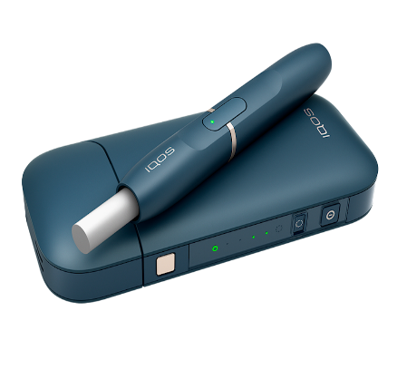
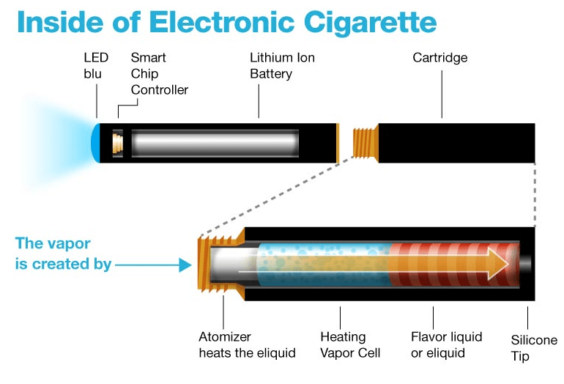
 | given commitment of printing paste.
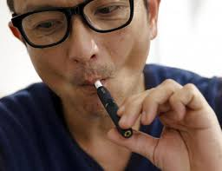

意見・Opinion

Printed Ceramic (heater/burner)

